Sheet1

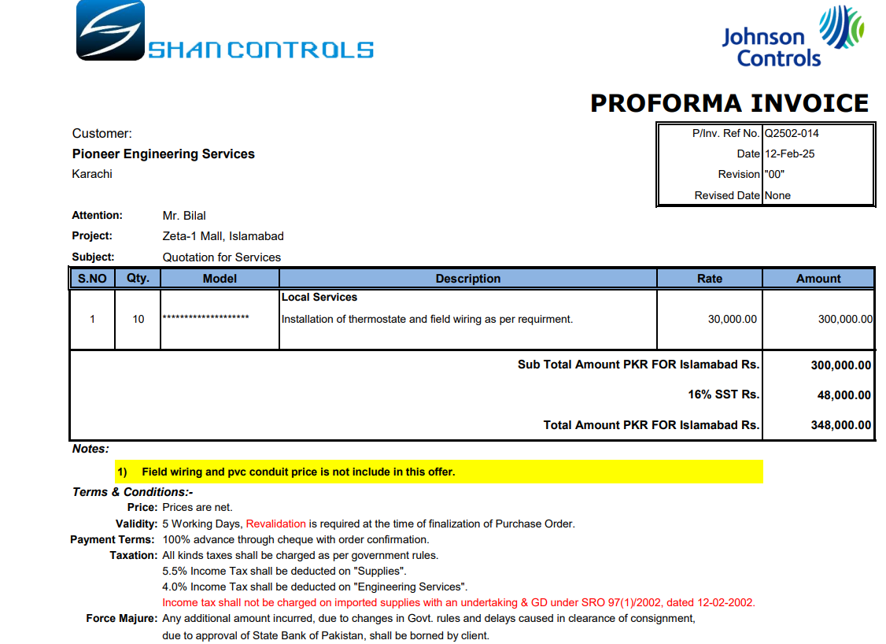

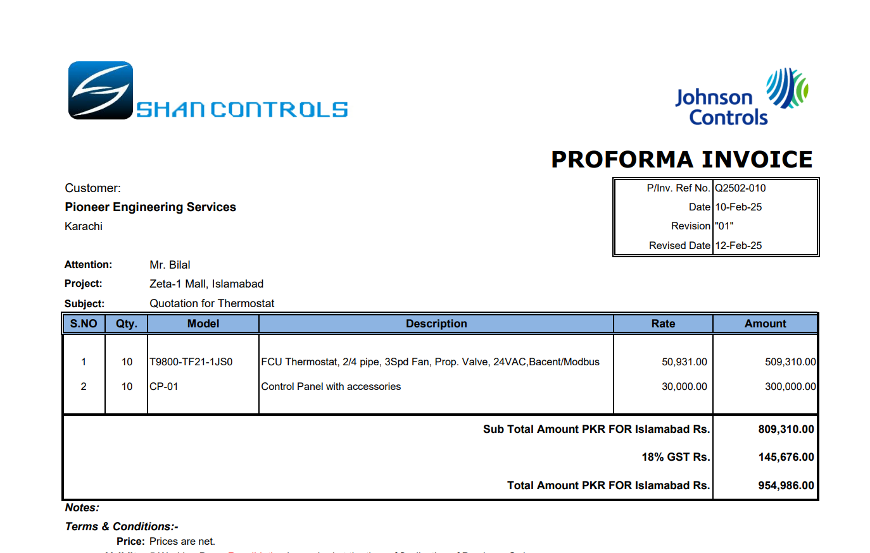

M/S IK Associates |  |  |  |  |  |  |  | 2025-02-15

Project: J Outlet Zeta Mall Islamabad

Attn: Syed Talal Tariq

Variation # 5
Supply & installation of Thermostat for FCU - J Outlet Zeta Mall Islamabad.

S. # | Description | Material Rate | Labour Rate | Over Head profit 28% | Total Rate | Unit | Qty | Amount
1 | Supply of digital thermostat for fan coil unit. | 60,099 | - | 16,828 | 76,927 | Nos | 10 | 769,267
2 | Supply of control panel with accessories. | 35,400 |  | 9,912 | 45,312 | Nos | 10 | 453,120
3 | Installation of thermostat including field wiring. | - | 34,800 | 9,744 | 44,544 | Nos | 10 | 445,440
4 | Transportaion charges | - | 10,000 | 2,800 | 12,800 | Job | 1 | 12,800
Total Amount Rs. |  |  |  |  |  |  |  | 1,680,627

Note: Supplier's quotation attached

Thanking you,

For PIONEER ENGINEERING SERVICES.

Bilal Habib

